Sheet1
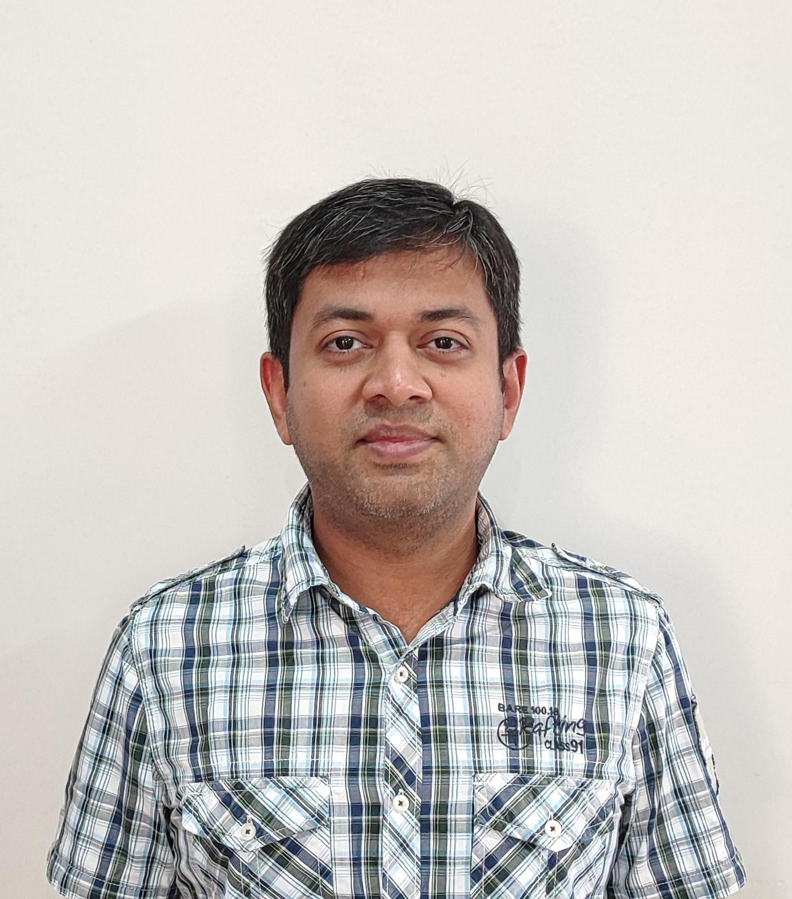
Full Name | Sachin Kiran Shah
Designation | UI Engineer 3
Total work experience (approx years) | 16.4
Notice period | Ready to join Currently not employed
Introduction | A systematic Computer Science Engineer who integrates diverse fitness modalities, loves to explore the world, expand the mind, experience different cultures and bring happiness. I wish to work with people who truly value good quality work and clean code, encourage innovation and learning, exercise work life balance and have the highest moral and ethical standards.

Top Skills | JavaScript | Typescript | HTML | CSS
 | React | React Native | Redux
 | Node | ExpressJS
 | Communication | Self-driven | Leadership | Quick learner

Company | Designation | Tech stack | Duration | Role | Location | About the company | From | To
Flipkart Internet Pvt Ltd | UI Engineer 3 | React, React Native, Express, Node, Private cloud infra using containers | 8.4 | I was part of the customer facing UI team that builds and maintains the apps for mobile and desktop. Focus areas – Shopping experience, Payments, tech infrastructure, mentoring. | Bengaluru | Flipkart is amongst the top e-commerce companies in India. | 2015-08-01 | 2024-01-01
J P Morgan Services India Pvt Ltd, JPMorgan Chase & Co | Applications Engineer | ActionScript 3.0, HTML, ExtJS and Java for the backend | 3.1 | I was part of the prime-brokerage line of the business - margin team and worked on custom in-house solutions for the account managers to facilitate the daily margin calculations and operations based off the same. | Bengaluru | (NYSE: JPM) is the largest bank in the United States and the world's largest bank by market capitalization as of 2024. | 2012-07-01 | 2015-08-01
Symphony Services (India) Pvt Ltd, Komli Media Pvt Ltd | Applications Developer | HTML, JavaScript | 1.7 | Ads Industry standards based Video ads player implementation, browser plugin development | Mumbai | Worked onsite at Komli Media which is one of the leading online advertising networks in India | 2010-09-01 | 2012-05-01
LearningMate Solutions Private Ltd, Mumbai | Senior Flash Developer | Adobe Flex and ActionScript 3.0 | 1.3 | Inhouse products for e-learning solutions using Adobe Flex | Mumbai | E-Learning solutions for the top educational institutions and publishers in the USA | 2009-06-01 | 2010-09-01
Zeus Learning/Zeus System Private Ltd | Senior Programmer | ActionScript 3.0, VC++ / MFC | 2.0 | Desktop based apps for e-learning in VC++, Flash and ActionScript 3.0 based apps for english learning | Mumbai | E-Learning solution for top US based publishers and content creators; MS office and English language learning solutions | 2006-07-01 | 2008-07-01

Highest Education | College | Location | Passed
Bachelor of Science: BE Computer Science | Shah & Anchor Kutchhi Engineering College | Mumbai | 2006-06-01 |  | Other interests | Ashtanga Yoga, spirituality, exercise, strength training, cycling, running, Indian mace work, travel, hiking, languages, Vedic mantra chanting, vegetarianism, Vipassana meditation

Languages | English, Hindi, Gujarati, Kutchi, working knowledge of Marathi, Malayalam, Kannada, Japanese - JLPT N5 |  |  |  | Gender | Male
 |  |  |  |  | Marital Status | Divorced
Address | Mysuru, Karnataka, India
Email | sachinksha@gmail.com
Phone | +91 9867473526
LinkedIn | https://www.linkedin.com/in/sachinkiranshah/
Github | https://github.com/sachinksha

Last updated on | 2026-04-12

